AUC and ROC
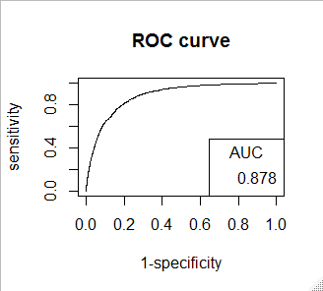

F1 score | Area under ROC curve

> F1_score | > rf_AUC_under

[1] 0.4489058 | [1] 0.878

